Sheet1
Hypothesis Test for Population Standard Deviation
` |  | Enter values in yellow boxes
Alpha, α = | 0.1 |  |  | 33.196244289 | (right tailed)

Standard deviation, σ = | 1.4
 |  |  |  | 15.658684053 | (left tailed)
Sample size, n = | 25
 |  |  |  | 13.848425027 | 36.415028502 | (two tailed)
Sample standard deviation, s = | 1.1

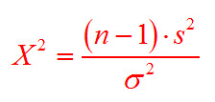
$( − 1 )$ * $^{2}$
$${ }^{2}$$
 |  | 25 |  | 1.1
 | X2 = |  |  |  | = | 14.8163
 |  |  | 1.4

