Sheet1
Hypothesis Test for Population Variance
` |  | Enter values in yellow boxes
Alpha, α = | 0.1 |  |  | 18.549347787 | (right tailed)

Variance, σ2 = | 25.5
 |  |  |  | 6.3037960596 | (left tailed)
Sample size, n = | 13
 |  |  |  | 5.2260294884 | 21.026069817 | (two tailed)
Sample variance, s2 = | 10.8

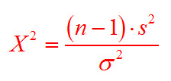
$( −1 )$ *
 |  | 13 |  | 10.8
 | X2 = |  |  |  | = | 5.0824
 |  |  | 25.5

