Sheet1
Using a t-Test for a Population Mean (σ Unknown)
 |  |  | Enter values in yellow boxes

Confidence level, a = | 0.01

Sample size, n = | 1310 |  | Degrees of freedom = | 1309

Sample mean, x-bar = | 2.8 |  | t0 = ± | 2.3292000113 |  | (single tail)

Population mean, m = | 3 |  | t0 = ± | 2.5795904219 |  | (two tail)

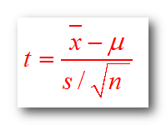
Sample Standard Deviation = | 2.6 |  | P-value = | 0.0027220599119 |  | or | 0.0054441198238 | 0.99727794009
 |  |  |  |  | Compare P-value to confidence level |  | (two tailed)

=
$$/\sqrt{ }$$
 |  | 2.80 | 3
t = |  |  |  |  | -2.7841 |  | Compare t-value to t0
 |  | 2.60 | 1310

