Sheet1
 | Z-test for a proportion, P
 |  | Enter values in yellow boxes
Alpha, α = | 0.1 |  |  | z = ± | 1.2815515655 | or | z = ± | 1.6449
 |  |  |  |  |  |  |  | (two tailed)
Proportion, p = | 0.3 |  |  | q = | 0.7

Sample size, n = | 250 |  |  | Valid to use this test
$$Sample proportion, \hat{p}=$$
 | 0.36

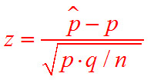
 |  | 0.36 | - | 0.3
 | z = |  |  |  |  | = | 2.0702
 |  | 0.3 | * | 0.7 | / 250

